Sheet1
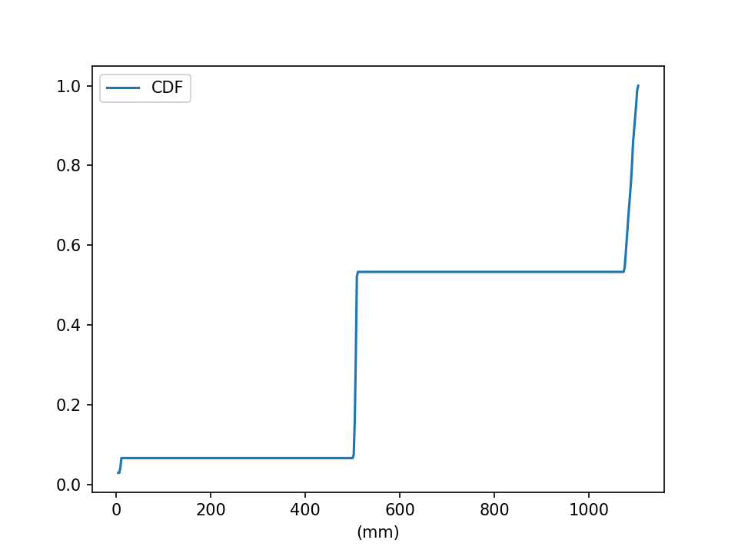
Report Id: | 1401-12-02-13-50-17 | Date: | 1401/12/02 | Time: | 13:50:17

 | grading ranges |  | circularity percentage |  | statistical information
[3.0, 5.0] | 0.009 | (0-0.2) | 0 | n objects | 677
[5.0, 6.3] | 0.043 | (0.2-0.4) | 50.424296009 | mean | 745.058
[6.3, 9.0] | 0 | (0.4-0.6) | 0 | mode | 508.173
[9.0, 12.5] | 0 | (0.6-0.8) | 49.575703991 | STD | 344.026
[12.5, 16.0] | 99.948 | (0.8-1.0) | 0
[16.0, 18.0] | 0
[18.0, 25.0] | 0
[25.0, 40.0] | 0

grading ranges

circularity ranges

